E3 60% RPS data
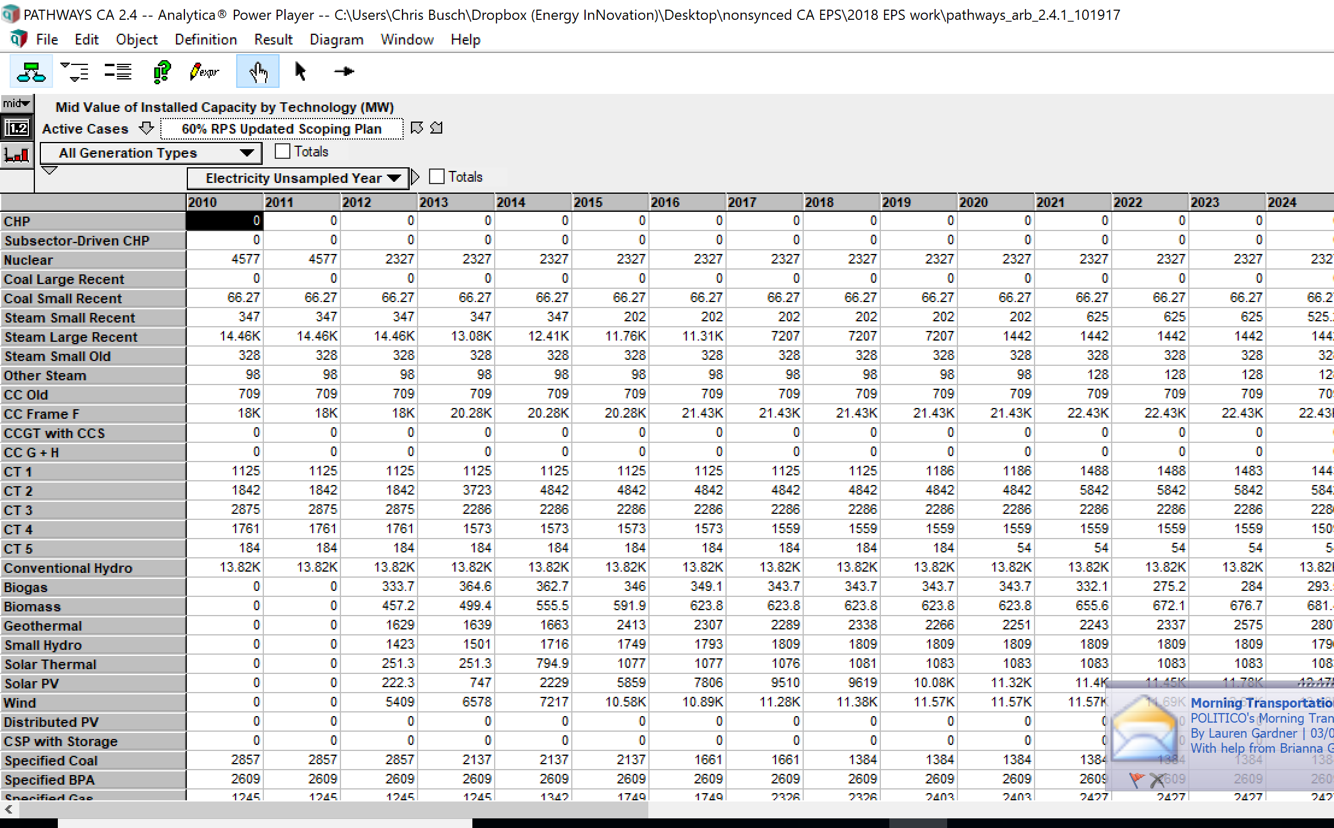
E3 data from 60% RPS scenario.

 | 2010 | 2011 | 2012 | 2013 | 2014 | 2015 | 2016 | 2017 | 2018 | 2019 | 2020 | 2021 | 2022 | 2023 | 2024 | 2025 | 2026 | 2027 | 2028 | 2029 | 2030 | 2031 | 2032 | 2033 | 2034 | 2035 | 2036 | 2037 | 2038 | 2039 | 2040 | 2041 | 2042 | 2043 | 2044 | 2045 | 2046 | 2047 | 2048 | 2049 | 2050
CHP | 0 | 0 | 0 | 0 | 0 | 0 | 0 | 0 | 0 | 0 | 0 | 0 | 0 | 0 | 0 | 0 | 0 | 0 | 0 | 0 | 0 | 0 | 0 | 0 | 0 | 0 | 0 | 0 | 0 | 0 | 0 | 0 | 0 | 0 | 0 | 0 | 0 | 0 | 0 | 0 | 0
Subsector-Driven CHP | 0 | 0 | 0 | 0 | 0 | 0 | 0 | 0 | 0 | 0 | 0 | 0 | 0 | 0 | 0 | 0 | 0 | 0 | 0 | 0 | 0 | 0 | 0 | 0 | 0 | 0 | 0 | 0 | 0 | 0 | 0 | 0 | 0 | 0 | 0 | 0 | 0 | 0 | 0 | 0 | 0
Nuclear | 4577 | 4577 | 2327 | 2327 | 2327 | 2327 | 2327 | 2327 | 2327 | 2327 | 2327 | 2327 | 2327 | 2327 | 2327 | 0 | 0 | 0 | 0 | 0 | 0 | 0 | 0 | 0 | 0 | 0 | 0 | 0 | 0 | 0 | 0 | 0 | 0 | 0 | 0 | 0 | 0 | 0 | 0 | 0 | 0
Coal Large Recent | 0 | 0 | 0 | 0 | 0 | 0 | 0 | 0 | 0 | 0 | 0 | 0 | 0 | 0 | 0 | 0 | 0 | 0 | 0 | 0 | 0 | 0 | 0 | 0 | 0 | 0 | 0 | 0 | 0 | 0 | 0 | 0 | 0 | 0 | 0 | 0 | 0 | 0 | 0 | 0 | 0
Coal Small Recent | 66.27 | 66.27 | 66.27 | 66.27 | 66.27 | 66.27 | 66.27 | 66.27 | 66.27 | 66.27 | 66.27 | 66.27 | 66.27 | 66.27 | 66.27 | 66.27 | 66.27 | 66.27 | 18.390000018 | 18.390000018 | 0 | 0 | 0 | 0 | 0 | 0 | 0 | 0 | 0 | 0 | 0 | 0 | 0 | 0 | 0 | 0 | 0 | 0 | 0 | 0 | 0
Steam Small Recent | 347 | 347 | 347 | 347 | 347 | 202 | 202 | 202 | 202 | 202 | 202 | 625 | 625 | 625 | 525.22967 | 525.22967 | 525.22967 | 525.22967 | 445.14207 | 445.14207 | 445 | 445.14207 | 445.14207 | 445.14207 | 445.14207 | 445.14207 | 445.14207 | 445.14207 | 445.14207 | 445.14207 | 445.14207 | 445.14207 | 445.14207 | 445.14207 | 445.14207 | 445.14207 | 445.14207 | 445.14207 | 445.14207 | 429.82549 | 429.82549
Steam Large Recent | 1.45E+04 | 1.45E+04 | 1.45E+04 | 1.31E+04 | 1.24E+04 | 1.18E+04 | 1.13E+04 | 7207 | 7207 | 7207 | 1442 | 1442 | 1442 | 1442 | 1442 | 1442 | 1442 | 1442 | 1442 | 1442 | 1442 | 1442 | 1442 | 1442 | 1442 | 1442 | 1442 | 1442 | 1122.82968 | 1122.82968 | 1122.82968 | 1122.82968 | 1122.82968 | 1122.82968 | 1122.82968 | 1122.82968 | 1122.82968 | 1122.82968 | 1122.82968 | 1122.82968 | 1122.82968
Steam Small Old | 328 | 328 | 328 | 328 | 328 | 328 | 328 | 328 | 328 | 328 | 328 | 328 | 328 | 328 | 328 | 328 | 328 | 328 | 328 | 328 | 328 | 328 | 328 | 328 | 328 | 328 | 328 | 328 | 328 | 328 | 328 | 328 | 328 | 328 | 328 | 328 | 328 | 328 | 328 | 328 | 328
Other Steam | 98 | 98 | 98 | 98 | 98 | 98 | 98 | 98 | 98 | 98 | 98 | 128 | 128 | 128 | 128 | 128 | 128 | 128 | 128 | 128 | 128 | 128 | 128 | 128 | 128 | 128 | 128 | 128 | 128 | 128 | 128 | 128 | 128 | 128 | 106.81632 | 88.88918 | 88.88918 | 73.55218 | 73.55218 | 73.55218 | 73.55218
CC Old | 709 | 709 | 709 | 709 | 709 | 709 | 709 | 709 | 709 | 709 | 709 | 709 | 709 | 709 | 709 | 709 | 709 | 709 | 709 | 669.52288 | 670 | 669.52288 | 669.52288 | 669.52288 | 669.52288 | 669.52288 | 669.52288 | 669.52288 | 669.52288 | 669.52288 | 669.52288 | 669.52288 | 669.52288 | 669.52288 | 669.52288 | 669.52288 | 669.52288 | 669.52288 | 669.52288 | 669.52288 | 491.43626
CC Frame F | 1.80E+04 | 1.80E+04 | 1.80E+04 | 2.03E+04 | 2.03E+04 | 2.03E+04 | 2.14E+04 | 2.14E+04 | 2.14E+04 | 2.14E+04 | 2.14E+04 | 2.24E+04 | 2.24E+04 | 2.24E+04 | 2.24E+04 | 2.24E+04 | 2.24E+04 | 2.21E+04 | 2.21E+04 | 2.10E+04 | 20888 | 2.08E+04 | 2.08E+04 | 2.07E+04 | 2.06E+04 | 2.05E+04 | 2.05E+04 | 2.03E+04 | 2.03E+04 | 2.03E+04 | 2.03E+04 | 1.89E+04 | 1.78E+04 | 1.71E+04 | 1.76E+04 | 1.79E+04 | 1.83E+04 | 1.91E+04 | 1.96E+04 | 2.08E+04 | 2.27E+04
CCGT with CCS | 0 | 0 | 0 | 0 | 0 | 0 | 0 | 0 | 0 | 0 | 0 | 0 | 0 | 0 | 0 | 0 | 0 | 0 | 0 | 0 | 0 | 0 | 0 | 0 | 0 | 0 | 0 | 0 | 0 | 0 | 0 | 0 | 0 | 0 | 0 | 0 | 0 | 0 | 0 | 0 | 0
CC G + H | 0 | 0 | 0 | 0 | 0 | 0 | 0 | 0 | 0 | 0 | 0 | 0 | 0 | 0 | 0 | 0 | 0 | 0 | 0 | 0 | 0 | 0 | 0 | 0 | 0 | 0 | 0 | 0 | 0 | 0 | 0 | 0 | 0 | 0 | 0 | 0 | 0 | 0 | 0 | 0 | 0
CT 1 | 1125 | 1125 | 1125 | 1125 | 1125 | 1125 | 1125 | 1125 | 1125 | 1186 | 1186 | 1488 | 1488 | 1482.94875 | 1443 | 1111.9125 | 1111.9125 | 1111.9125 | 1111.9125 | 847.84125 | 729 | 678.6525 | 678.6525 | 628.3425 | 628.3425 | 581.2275 | 581.2275 | 581.2275 | 579.64125 | 579.64125 | 579.64125 | 579.64125 | 579.64125 | 579.64125 | 579.64125 | 579.64125 | 579.64125 | 579.64125 | 579.64125 | 579.64125 | 437.46375
CT 2 | 1842 | 1842 | 1842 | 3723 | 4842 | 4842 | 4842 | 4842 | 4842 | 4842 | 4842 | 5842 | 5842 | 5842 | 5842 | 5842 | 5842 | 5842 | 5842 | 5842 | 5842 | 5842 | 5842 | 5842 | 5842 | 5784.86116 | 5784.86116 | 5784.86116 | 5784.86116 | 5784.86116 | 5784.86116 | 5784.86116 | 5636.96698 | 6360.4114551 | 6539.1428469 | 7029.7288612 | 7150.4597819 | 7229.3848635 | 7257.1947915 | 6629.2400062 | 6280.0520662
CT 3 | 2875 | 2875 | 2875 | 2286 | 2286 | 2286 | 2286 | 2286 | 2286 | 2286 | 2286 | 2286 | 2286 | 2286 | 2286 | 2286 | 2286 | 2286 | 2286 | 2286 | 2286 | 2286 | 2286 | 2286 | 2286 | 2286 | 2265.18375 | 2265.18375 | 2265.18375 | 2265.18375 | 2265.18375 | 1688.91875 | 1270.0025 | 675.02125 | 675.02125 | 386.1125 | 363.42875 | 230.31625 | 140.32875 | 49.91 | 0
CT 4 | 1761 | 1761 | 1761 | 1573 | 1573 | 1573 | 1573 | 1559 | 1559 | 1559 | 1559 | 1559 | 1559 | 1559 | 1509.00521 | 1509.00521 | 1509.00521 | 1509.00521 | 1509.00521 | 1509.00521 | 1509 | 1466.21291 | 1466.21291 | 1466.21291 | 1466.21291 | 1466.21291 | 1466.21291 | 1466.21291 | 1466.21291 | 1466.21291 | 1466.21291 | 1424.23067 | 1283.56199 | 1283.56199 | 1194.77237 | 1194.77237 | 1194.77237 | 934.83116 | 934.83116 | 934.83116 | 229.51544
CT 5 | 184 | 184 | 184 | 184 | 184 | 184 | 184 | 184 | 184 | 184 | 54 | 54 | 54 | 54 | 54 | 54 | 54 | 54 | 54 | 54 | 54 | 54 | 54 | 54 | 54 | 54 | 54 | 54 | 54 | 54 | 54 | 54 | 54 | 54 | 54 | 54 | 54 | 54 | 54 | 54 | 54
Conventional Hydro | 1.38E+04 | 1.38E+04 | 1.38E+04 | 1.38E+04 | 1.38E+04 | 1.38E+04 | 1.38E+04 | 1.38E+04 | 1.38E+04 | 1.38E+04 | 1.38E+04 | 1.38E+04 | 1.38E+04 | 1.38E+04 | 1.38E+04 | 1.38E+04 | 1.38E+04 | 1.38E+04 | 1.38E+04 | 1.38E+04 | 13822 | 1.38E+04 | 1.38E+04 | 1.38E+04 | 1.38E+04 | 1.38E+04 | 1.38E+04 | 1.38E+04 | 1.38E+04 | 1.38E+04 | 1.38E+04 | 1.38E+04 | 1.38E+04 | 1.38E+04 | 1.38E+04 | 1.38E+04 | 1.38E+04 | 1.38E+04 | 1.38E+04 | 1.38E+04 | 1.38E+04
Biogas | 0 | 0 | 333.74240666 | 364.63158528 | 362.65018115 | 346.00175689 | 349.13729638 | 343.74991013 | 343.74991007 | 343.74991013 | 343.74991016 | 332.06578441 | 275.17259806 | 283.95024293 | 293.46100515 | 302.11895971 | 308.25896712 | 316.15944701 | 320.14635687 | 325.64382874 | 329 | 329.54733997 | 329.54733998 | 329.54733998 | 329.54733997 | 329.54733998 | 329.54733994 | 329.54733998 | 329.54733998 | 329.54733998 | 329.54733998 | 323.99883182 | 329.54733998 | 329.54733998 | 329.54733998 | 329.54733992 | 329.54733998 | 329.54733998 | 329.54733998 | 329.54733998 | 329.54733998
Biomass | 0 | 0 | 457.15684018 | 499.43240894 | 555.50399024 | 591.88011608 | 623.83475563 | 623.83475563 | 623.83475563 | 623.83475576 | 623.83475563 | 655.62094969 | 672.05101003 | 676.65911996 | 681.40170727 | 685.68170783 | 688.6498595 | 692.65064102 | 694.48239969 | 697.28554726 | 699 | 699.01968176 | 699.01968186 | 699.0196819 | 699.0196819 | 699.01968184 | 699.0196819 | 699.0196819 | 699.0196819 | 699.01968184 | 699.0196819 | 699.0196819 | 699.0196819 | 699.0196819 | 699.0196819 | 699.0196819 | 699.0196819 | 699.0196819 | 699.0196819 | 699.0196819 | 699.0196819
Geothermal | 0 | 0 | 1628.7799154 | 1638.8858609 | 1663.0036597 | 2413.4005896 | 2307.3443391 | 2288.9768932 | 2337.5803248 | 2265.7364074 | 2251.1702408 | 2242.7562806 | 2336.7295918 | 2575.255602 | 2806.7620529 | 3004.4171183 | 3085.0556088 | 3250.2244582 | 3344.2546552 | 3468.1977215 | 3553 | 3562.886634 | 3562.886634 | 3562.886634 | 3562.886634 | 3562.886634 | 3562.886634 | 3562.886634 | 3562.8866341 | 3562.8866341 | 3562.8866341 | 3562.8866341 | 3562.8866341 | 3562.8866341 | 3562.8866341 | 3562.8866341 | 3562.8866341 | 3562.8866341 | 3562.8866341 | 3562.8866341 | 3562.8866341
Small Hydro | 0 | 0 | 1422.7679422 | 1500.6704844 | 1716.0091027 | 1749.3639022 | 1792.8811438 | 1808.6628223 | 1808.6628221 | 1808.6628223 | 1808.6628221 | 1808.662822 | 1808.6628223 | 1808.662822 | 1796.1057444 | 1796.1057448 | 1796.1057448 | 1796.1057448 | 1796.1057444 | 1796.1057444 | 1796 | 1794.6316208 | 1794.1039973 | 1794.103997 | 1794.1023331 | 1793.496691 | 1787.7973003 | 1793.4966914 | 1793.4966914 | 1793.4966914 | 1793.4966914 | 1793.4966914 | 1793.4966914 | 1793.4966914 | 1793.4966914 | 1793.4966914 | 1793.4966914 | 1793.4966914 | 1793.4966914 | 1793.4966914 | 1793.4966914
Solar Thermal | 0 | 0 | 251.30097622 | 251.30097622 | 794.8848579 | 1076.836325 | 1076.836325 | 1075.7841986 | 1080.7370591 | 1083.0951817 | 1083.0951818 | 1083.0951817 | 1083.0951819 | 1083.0951819 | 1083.0951819 | 1083.0951819 | 1083.0951819 | 1083.095182 | 1083.095182 | 1083.0951819 | 1083 | 1083.0951819 | 1083.0951819 | 1083.0951819 | 1083.095182 | 1083.0951819 | 1083.0951819 | 1083.0951819 | 1083.0951819 | 1083.0951819 | 1776.7024878 | 1776.7024878 | 1776.7024878 | 1776.7024878 | 1776.7024878 | 1776.7024878 | 1776.7024878 | 1776.7024878 | 1776.7024878 | 1776.7024878 | 1776.7024878
Solar PV | 0 | 0 | 222.33635048 | 747.01168293 | 2229.3039814 | 5858.9092121 | 7805.6497357 | 9510.4470832 | 9618.6973122 | 1.01E+04 | 1.13E+04 | 1.14E+04 | 1.14E+04 | 1.18E+04 | 1.22E+04 | 1.25E+04 | 1.28E+04 | 1.35E+04 | 1.37E+04 | 1.40E+04 | 14109 | 1.58E+04 | 1.66E+04 | 1.73E+04 | 1.78E+04 | 1.81E+04 | 1.88E+04 | 1.91E+04 | 2.01E+04 | 2.06E+04 | 2.10E+04 | 2.22E+04 | 2.38E+04 | 2.53E+04 | 2.69E+04 | 2.85E+04 | 3.01E+04 | 3.17E+04 | 3.33E+04 | 3.49E+04 | 3.65E+04
Wind | 0 | 0 | 5409.2171648 | 6577.8988832 | 7216.5489094 | 1.06E+04 | 1.09E+04 | 1.13E+04 | 1.14E+04 | 1.16E+04 | 1.16E+04 | 1.16E+04 | 1.17E+04 | 1.27E+04 | 1.35E+04 | 1.43E+04 | 1.49E+04 | 1.62E+04 | 1.64E+04 | 1.70E+04 | 17216 | 1.99E+04 | 2.00E+04 | 2.07E+04 | 2.16E+04 | 2.31E+04 | 2.49E+04 | 2.75E+04 | 2.77E+04 | 2.97E+04 | 2.99E+04 | 3.34E+04 | 3.50E+04 | 3.69E+04 | 3.87E+04 | 4.05E+04 | 4.23E+04 | 4.41E+04 | 4.59E+04 | 4.77E+04 | 4.95E+04
Distributed PV | 0 | 0 | 0 | 0 | 0 | 0 | 0 | 0 | 0 | 0 | 0 | 0 | 0 | 0 | 0 | 0 | 0 | 0 | 0 | 0 | 0 | 0 | 0 | 0 | 0 | 0 | 0 | 0 | 0 | 0 | 0 | 0 | 0 | 0 | 0 | 0 | 0 | 0 | 0 | 0 | 0
CSP with Storage | 0 | 0 | 0 | 0 | 0 | 0 | 0 | 0 | 0 | 0 | 0 | 0 | 0 | 0 | 0 | 0 | 0 | 0 | 0 | 0 | 0 | 0 | 0 | 0 | 0 | 0 | 0 | 0 | 0 | 0 | 0 | 0 | 0 | 0 | 0 | 0 | 0 | 0 | 0 | 0 | 0
Specified Coal | 2857 | 2857 | 2857 | 2137 | 2137 | 2137 | 1661 | 1661 | 1384 | 1384 | 1384 | 1384 | 1384 | 1384 | 1384 | 0 | 0 | 0 | 0 | 0 | 0 | 0 | 0 | 0 | 0 | 0 | 0 | 0 | 0 | 0 | 0 | 0 | 0 | 0 | 0 | 0 | 0 | 0 | 0 | 0 | 0
Specified BPA | 2609 | 2609 | 2609 | 2609 | 2609 | 2609 | 2609 | 2609 | 2609 | 2609 | 2609 | 2609 | 2609 | 2609 | 2609 | 2609 | 2609 | 2609 | 2609 | 2609 | 2609 | 2609 | 2609 | 2609 | 2609 | 2609 | 2609 | 2609 | 2609 | 2609 | 2609 | 2609 | 2609 | 2609 | 2609 | 2609 | 2609 | 2609 | 2609 | 2609 | 2609
Specified Gas | 1245 | 1245 | 1245 | 1245 | 1342 | 1749 | 1749 | 2326 | 2326 | 2403 | 2403 | 2427 | 2427 | 2427 | 2427 | 2427 | 2452 | 2452 | 3829 | 3829 | 3829 | 4107 | 4107 | 4107 | 4107 | 4107 | 4107 | 4107 | 4107 | 4107 | 4107 | 4107 | 4107 | 4107 | 4107 | 4107 | 4107 | 4107 | 4107 | 4107 | 4107
Unspecified | 4809 | 4809 | 4809 | 4809 | 4809 | 4809 | 4809 | 4809 | 4809 | 4809 | 4809 | 4809 | 4809 | 4809 | 4809 | 4809 | 4809 | 4809 | 4809 | 4809 | 4809 | 4809 | 4809 | 4809 | 4809 | 4809 | 4809 | 4809 | 4809 | 4809 | 4809 | 4809 | 4809 | 4809 | 4809 | 4809 | 4809 | 4809 | 4809 | 4809 | 4809
Unspecified Non-emitting | 1081.839247 | 1081.839247 | 1081.839247 | 1081.839247 | 1081.839247 | 1081.839247 | 1081.839247 | 1081.839247 | 1081.839247 | 1081.839247 | 1081.839247 | 1081.839247 | 1081.839247 | 1081.839247 | 1081.839247 | 1081.839247 | 1081.839247 | 1081.839247 | 1081.839247 | 1081.839247 | 1082 | 1081.839247 | 1081.839247 | 1081.839247 | 1081.839247 | 1081.839247 | 1081.839247 | 1081.839247 | 1081.839247 | 1081.839247 | 1081.839247 | 1081.839247 | 1081.839247 | 1081.839247 | 1081.839247 | 1081.839247 | 1081.839247 | 1081.839247 | 1081.839247 | 1081.839247 | 1081.839247

Year-over-year changes in
Geothermal |  |  |  | 10.105945474 | 24.117798818 | 750.39692996 | -106.05625052 | -18.367445877 | 48.603431507 | -71.843917405 | -14.566166532 | -8.4139602471 | 93.973311245 | 238.52601018 | 231.50645092 | 197.65506542 | 80.638490442 | 165.16884948 | 94.030196908 | 123.94306631 | 85.055428416 | 9.6334841389 | 0 | 0 | 0 | 0 | 0 | 0 | 2.6849647838E-08 | 0 | 0 | 0 | 0 | 0 | 0 | 0 | 0 | 0 | 0 | 0 | 0
Hydro |  |  |  | 77.902542237 | 215.33861826 | 33.354799543 | 43.517241545 | 15.781678584 | -2.6636007533E-07 | 2.2831000024E-07 | -1.5220985006E-07 | -1.5220007299E-07 | 3.0440992305E-07 | -3.0440992305E-07 | -12.557077549 | 3.8052007767E-07 | 0 | 0 | -3.8052007767E-07 | 0 | 0 | -1.4741236872 | -0.52762342086 | -3.8050984585E-07 | -0.00166385084 | -0.60564208524 | -5.6993906735 | 5.699391054 | 0 | 0 | 0 | 0 | 0 | 0 | 0 | 0 | 0 | 0 | 0 | 0 | 0
Biomass |  |  |  | 42.275568762 | 56.071581292 | 36.376125842 | 31.954639551 | 0 | 0 | 1.342999667E-07 | -1.342999667E-07 | 31.786194064 | 16.430060339 | 4.6081099224 | 4.7425873115 | 4.2800005662 | 2.9681516624 | 4.0007815237 | 1.8317586719 | 2.8031475731 | 1.7341346321 | -1.342999667E-07 | 9.4010033536E-08 | 4.0289933168E-08 | 0 | -5.3719986681E-08 | 5.3719986681E-08 | 0 | 0 | -5.3719986681E-08 | 5.3719986681E-08 | 0 | 0 | 0 | 0 | 0 | 0 | 0 | 0 | 0 | 0
Solar PV |  |  | 222.33635048 | 524.67533246 | 1482.2922985 | 3629.6052307 | 1946.7405235 | 1704.7973475 | 108.25022905 | 465.65427088 | 1235.4465964 | 82.201668508 | 43.441756533 | 330.474988 | 390.54868494 | 361.02204488 | 256.15963969 | 684.66786832 | 265.46755499 | 216.24627603 | 159.26527859 | 1716.6768199 | 782.5719113 | 659.27030429 | 556.66900817 | 277.51951381 | 703.22111173 | 303.08430647 | 983.75186151 | 516.92990856 | 435.8606368 | 1190.678817 | 1544.5627249 | 1557.4286014 | 1584.7780538 | 1588.6363515 | 1594.9525083 | 1602.8687444 | 1605.490336 | 1600.1680512 | 1594.4419008
wind |  |  | 5409.2171648 | 1168.6817184 | 638.65002619 | 3363.2837423 | 312.52184 | 387.99773623 | 100.97513872 | 184.3358745 | 0.4549612564 | -2.4214004952E-06 | 121.28570013 | 984.68415133 | 811.33633948 | 857.29112257 | 559.6369641 | 1326.4186292 | 139.31354993 | 605.20275786 | 245.19332268 | 2694.8505332 | 127.18298771 | 620.55118191 | 911.35271407 | 1549.9163678 | 1788.1336568 | 2598.7070202 | 169.41294994 | 2052.8136699 | 207.49849438 | 3498.3505567 | 1585.2493057 | 1847.233597 | 1863.7467912 | 1750.186636 | 1861.565416 | 1801.7274618 | 1798.3475206 | 1784.1038577 | 1761.2196639

Natural gas peaker (capacity) | 8462 | 8462 | 8462 | 9566 | 10685 | 10540 | 10540 | 10526 | 10526 | 10587 | 10457 | 12182 | 12182 | 12176.94875 | 11987.23488 | 11656.14738 | 11656.14738 | 11656.14738 | 11576.05978 | 11311.98853 | 11192.79478 | 11100.00748 | 11100.00748 | 11049.69748 | 11049.69748 | 10945.44364 | 10924.62739 | 10924.62739 | 10923.04114 | 10923.04114 | 10923.04114 | 10304.7939 | 9597.31479 | 9725.7780151 | 9815.7197869 | 10017.397051 | 10115.444222 | 9801.3155935 | 9739.1380215 | 9005.4479062 | 7758.8567462
Natural gas peaker (change in capacity) |  | 0 | 0 | 1104 | 1119 | -145 | 0 | -14 | 0 | 61 | -130 | 1725 | 0 | -5.05125 | -189.71387 | -331.0875 | 0 | 0 | -80.0876 | -264.07125 | -119.19375 | -92.7873 | 0 | -50.31 | 0 | -104.25384 | -20.81625 | 0 | -1.58625 | 0 | 0 | -618.24724 | -707.47911 | 128.46322508 | 89.9417718 | 201.67726429 | 98.047170689 | -314.12862836 | -62.177571948 | -733.69011535 | -1246.59116

CEC data on natural gas gen

changes in specified imports |  |  |  |  |  | 2015 | 2016 | 2017
decrease in specified coal |  |  |  |  |  |  | 476
increase in specified gas |  |  |  |  |  |  |  | 577

Amount of WECC transmission capacity for specified coal |  |  |  |  |  |  | 1661

CEC data
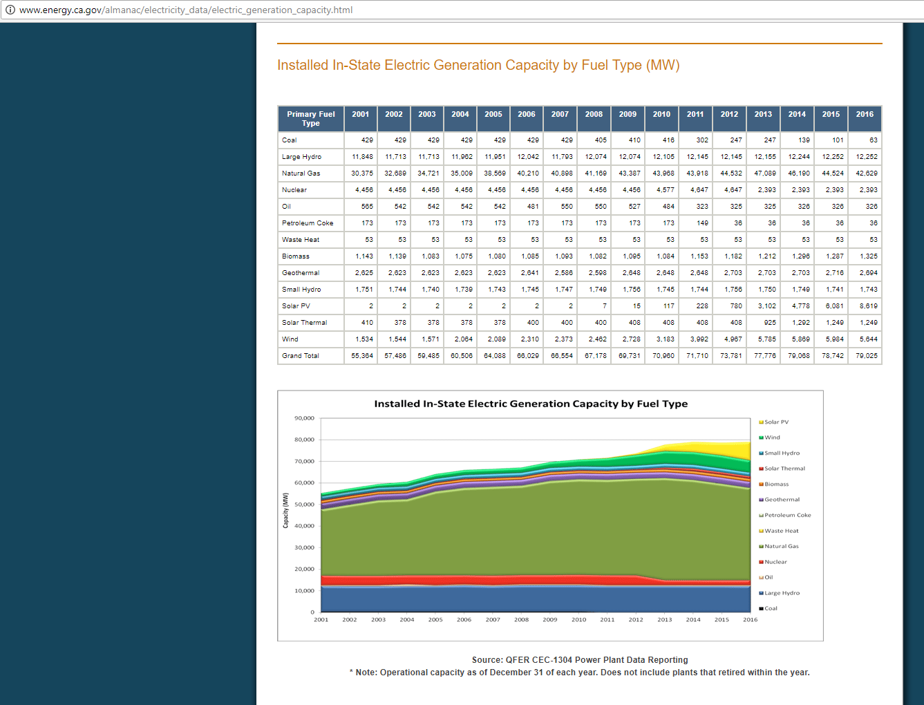
CEC data on capacity installed
Note these data do not account for behind the meter / rooftop solar, therefore we use E3 data to estimate the historical maximum for that variable.
By visual inspection, we identify the largest capacity in the historical data as follows

 | natural gas
Natural gas
 | 2004 | 2005
largest year | 35009 | 38569 | 3560
 | 2012 | 2013 | 1
second largest year | 44532 | 47089 | 2557

Biomass
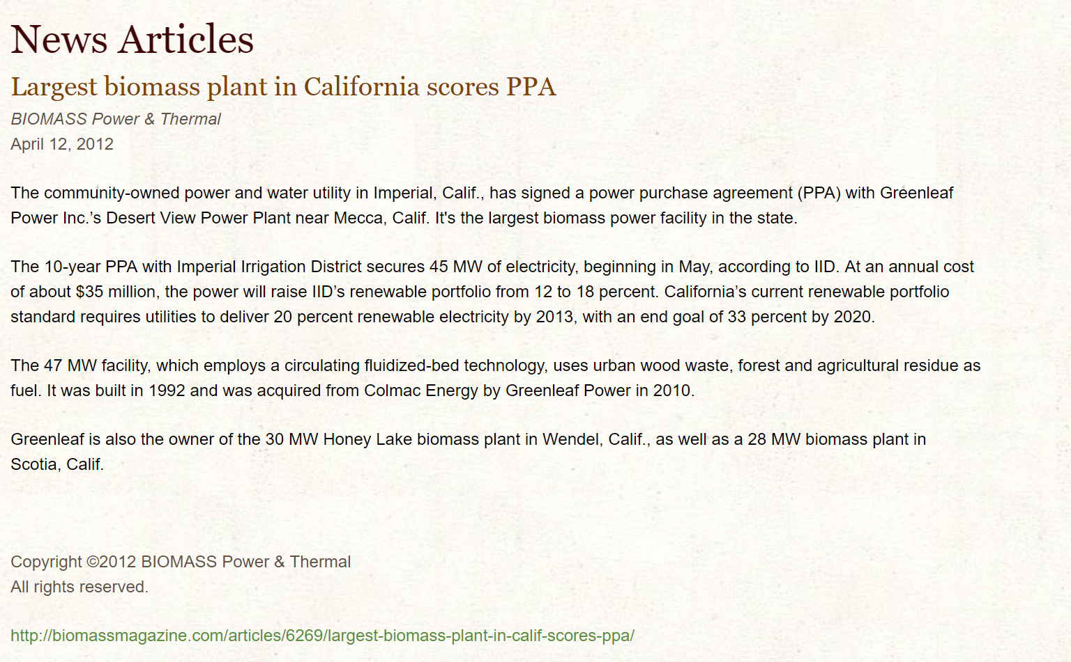
Biomass
Biomass notes

The main method -- either CEC or E3 -- shows a maximum of |  | 56.071581292

This low level begs for an adjustment

This trade journal article profiles the largest biomass project in California, which itself is 45 MMT. To get to the value for this technology, we double that largest plant as the feasible maximum.
2 x 45
http://www.greenleaf-power.com/news/news-articles/35-largest-biomass-plant-in-calif-scores-ppa.html
Final value: | 90

